1
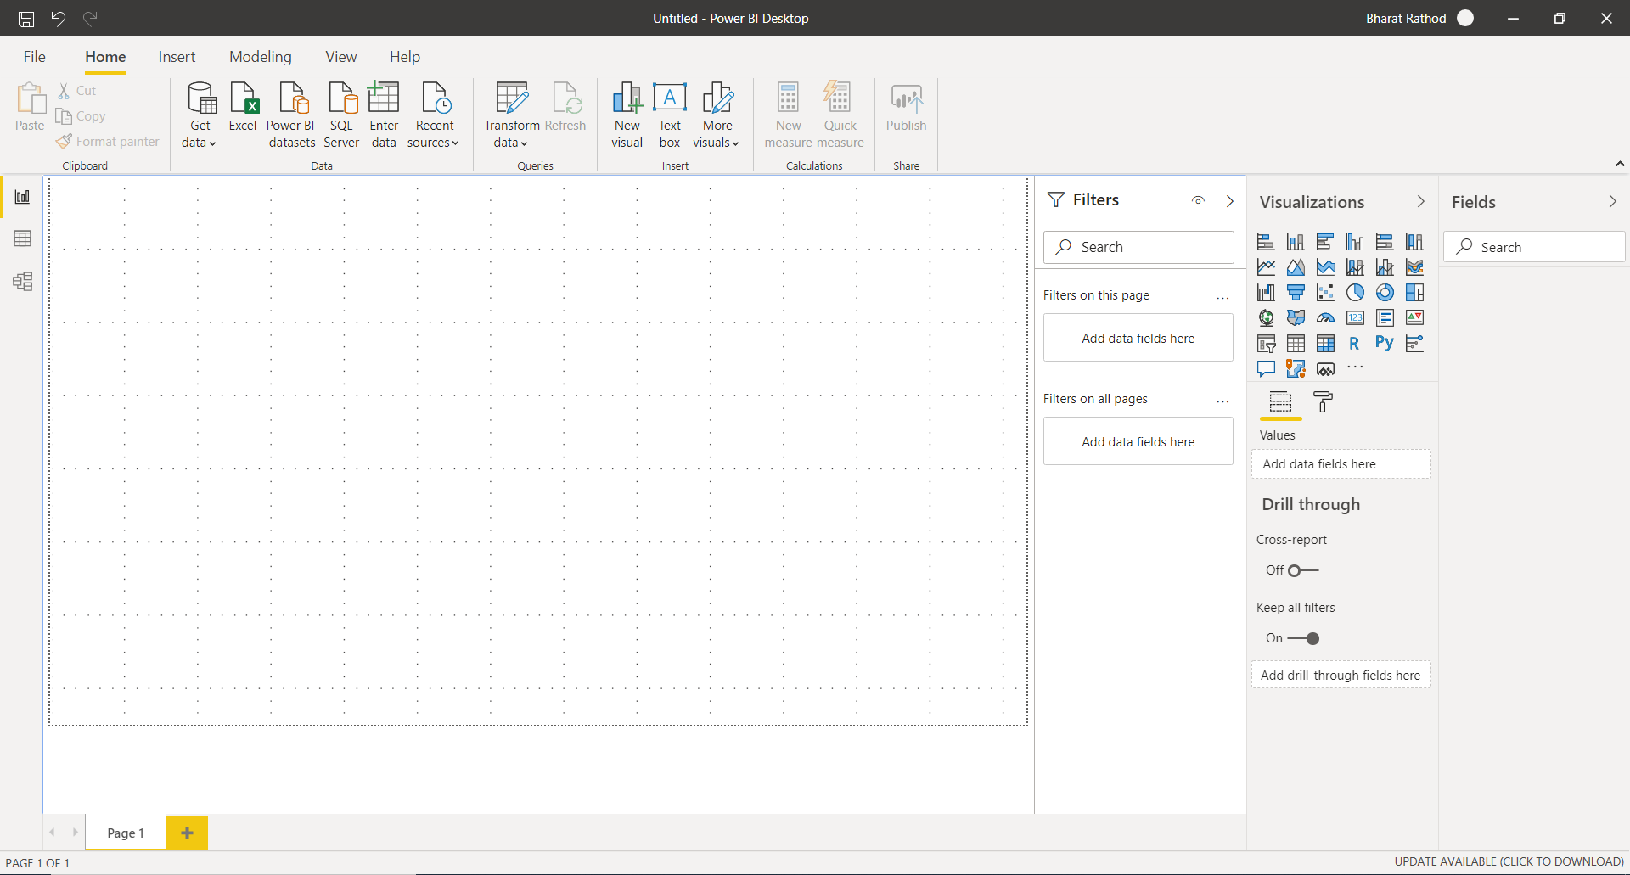
Install Power BI Desktop and share the final screenshot of the report view page which appears when power desktop starts.

2
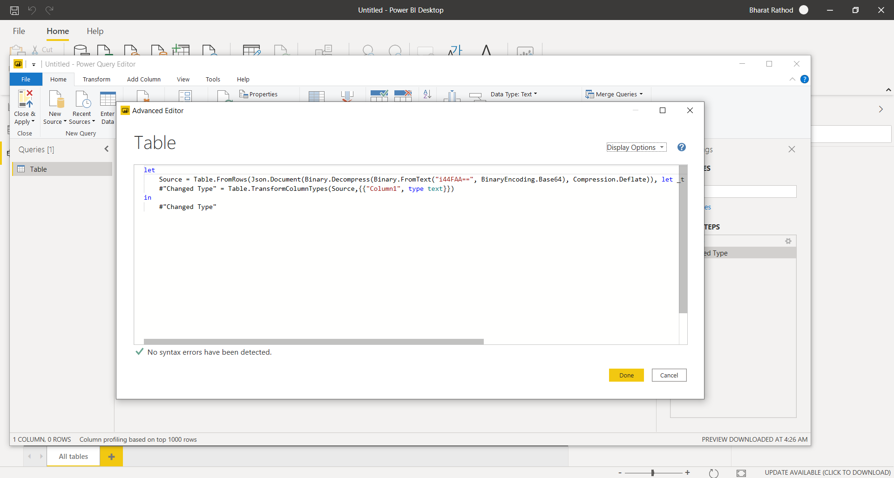
Prepare a document and with the following screenshot

− Report View



− Data View

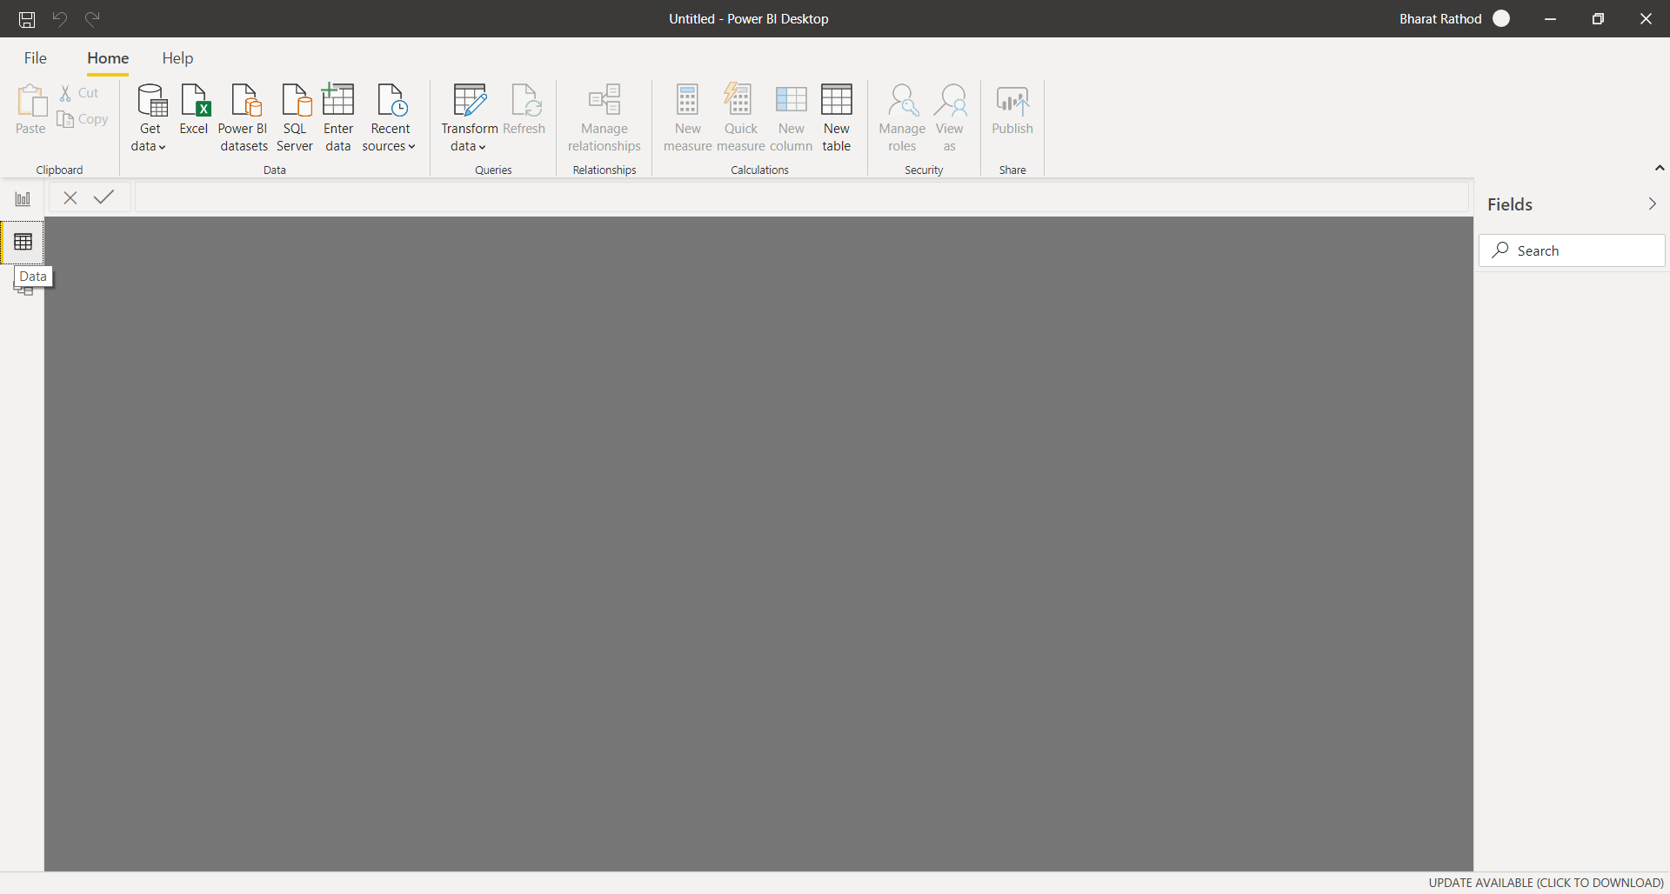

− Model View

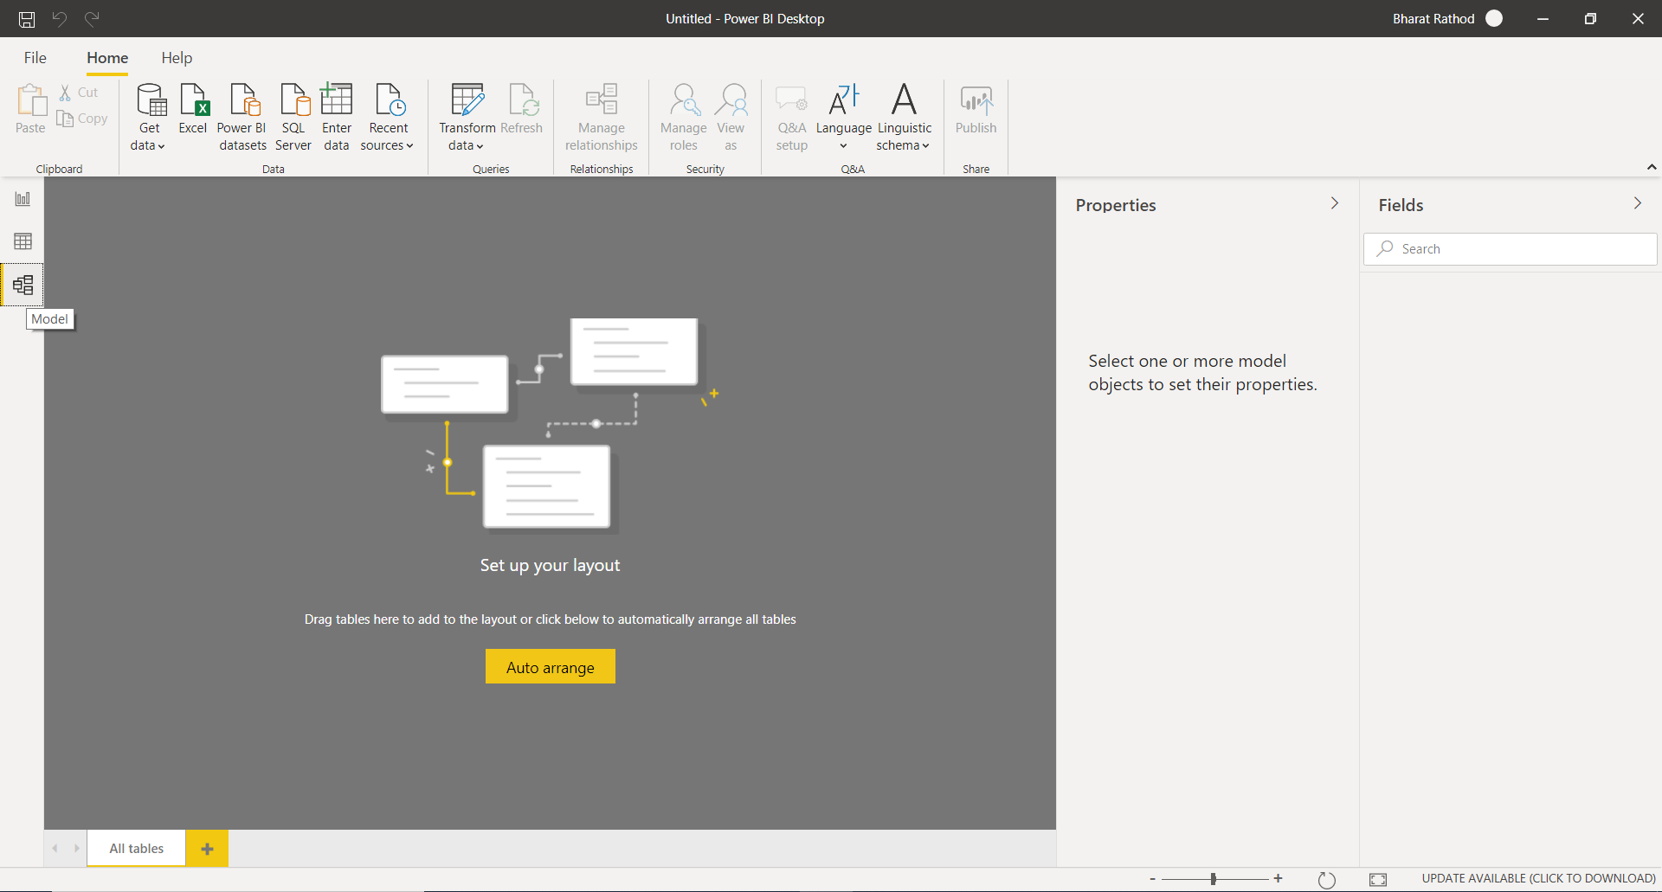

Power Query Editor

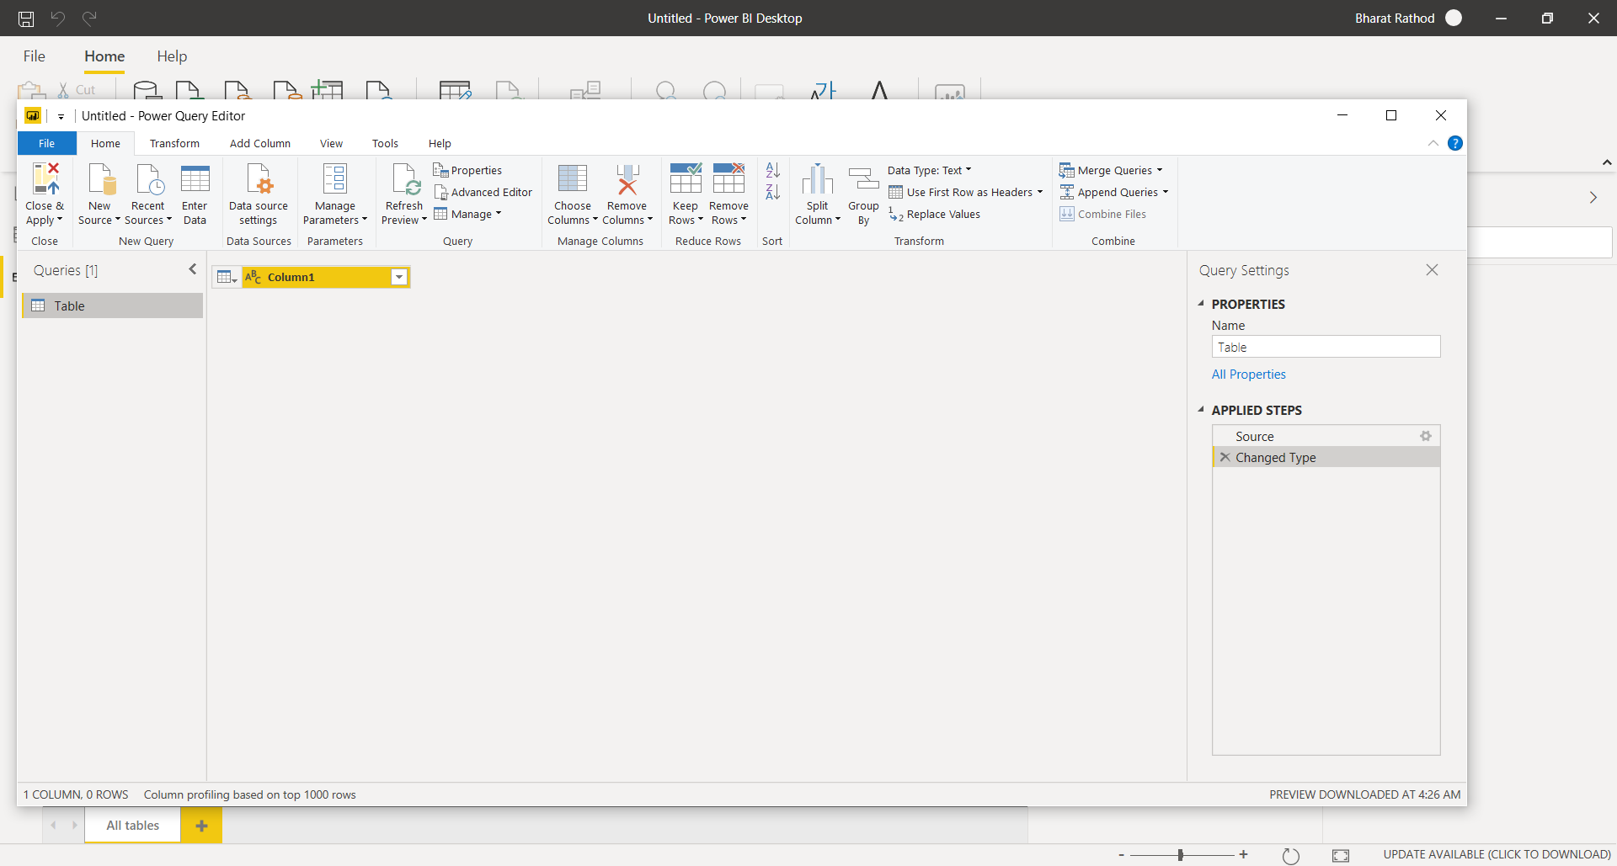

− Advance Editor

